Identify Flowcharting Symbols
The following symbols are commonly used in program flowcharts to visually represent processes and decision points. Please identify these symbols and provide a brief description of their purpose in flowcharting. (5 Points)

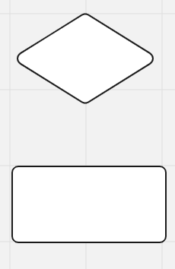
 | Symbol Name | External module call | Symbol Name | Decision
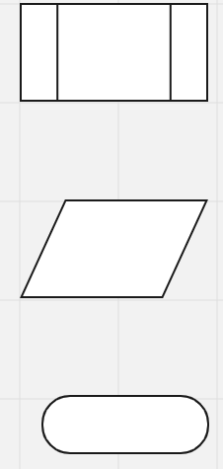
 | calls to code found in external modules |  | a box that uses a condition to decide the next step of the program

 | Symbol Name | input symbol / output symbol | Symbol Name | Processing symbol

 | indicates an input or output operation |  | shows processes statements

 | Symbol Name | Terminal

 | Shows the start and the stop points of a program

Programming
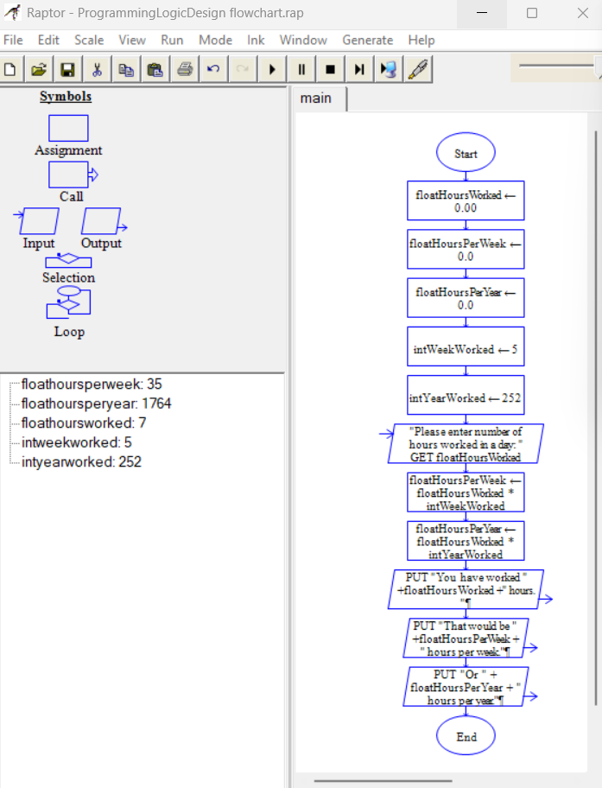
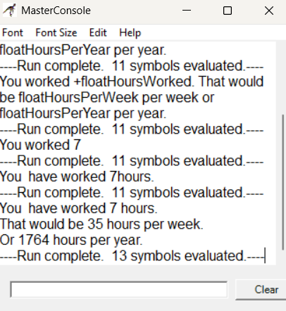
Please choose between creating a flowchart or writing pseudocode to illustrate the logic of a program that enables the user to input the number of hours worked per day. The program will then calculate the total hours worked in a week (5 days) and in a year (252 workdays). The final results will be displayed as program output. (5 Points)

SDLC - Interactive
1The Software Development Life Cycle (SDLC) is a structured process utilized for designing, developing, and testing high-quality software. It is a methodology that outlines the comprehensive process of software development in a systematic manner. For this assignment enter the name of the SDLC step in the blue boxes by double clicking on the terminal shape
Software Development Life Cycle (SDLC)
Planning
Defining

Deployment

Designing

2 Name two interactive programming languages.

Testing
1 | Python

Building
2 | C++

